Sheet1
2.1.1 Lotto Bet Details Terminal -> Central

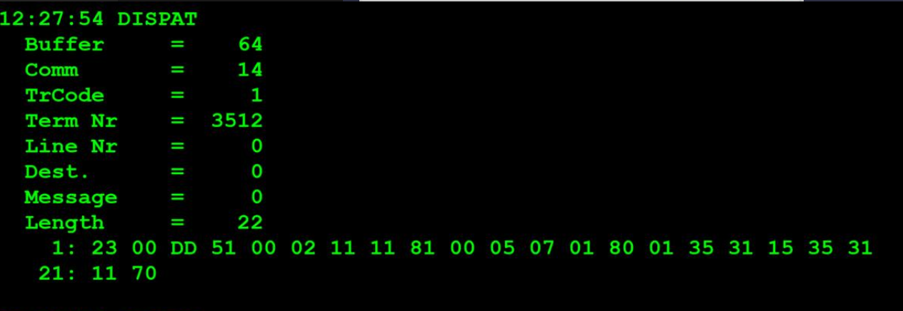
TestByte |  | Size | Field Contents |  | Hexadecimal | Binario | Decimal |  | TestByte |  | Size | Field Contents
Start | End |  |  |  |  |  |  |  | Start | End |  |  |  | Hexadecimal | Binario | Decimal
1 | 1 | 1 | Control | Sequence | 23 | Control=0010 Sequence=0011 | Control=2 Sequence=3 | Control -> x10 - Application Message Sequence -> 2 | 1 | n | n | Wager header
2 | 2 | 1 | Type = 0 | Subtype = 0 | 00 | Type=0 SubType=0 | Type=0 SubType=0 |  | n + 1 |  | 1 | Must be set to zero (0) | Super 14: Bet | 0 Super 14:1 |  | 0 Super 14:1
3 | 4 | 2 | Checksum |  | DD 51 | Game index=0100 System type/Passive Bet Type=0001 |  |  |  |  |  | 1X2 represented as 4 bits (a nibble). Each of the possible outcomes of a 1X2 is represented as 4 bits in the nibble where: Bit (3) = Away - Value 04 Bit (2) = Tie - Value 02 Bit (1) = Home -Value 01
5 | 5 | 1 | Statistics (see below) |  | 00 |  | 0
6 | 6 | 1 | Game Type |  | 02 | 10 | 2 | 2 = SPORTS
7 | 7 | 1 | Game index | System type/Passive Bet Type | 11 | Game index=0001 System type/Passive Bet Type=0001 | Game index=1 System type/Passive Bet Type=1 | 3 – Totobola Normal System type=1->Full system
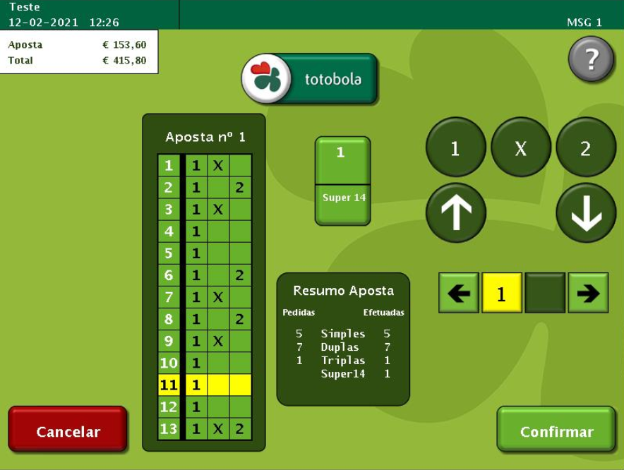
8 | 8 | 1 | Duration | No of Boards | 11 | Duration=0001 No of Boards=0001 | Duration=1 No of Boards=1 | Nota: Duration é sempre 1 pois foi descontinuado*
9 | 10 | 2 | Option Flags (see below) |  | 81 00 | 1000 0001 0000 0000 | ….. | x8000=Game Control Revision present. (2 bytes) x0100=System Number present. (2 bytes) | REPEATED DATA BLOCK: Bytes n+2 to n+8 (7 bytes) are repeated as many times as No of Boards.
11 | 11+n-1 | n | Option Data (see below) |  | 05 07 |01 80 |  | 1287 | 384 |  | n + 2 |  | 1 | Row 1 Bet | Row 2 Bet | 35 | Row 1 Bet=0011 Row 2 Bet=0101 | Row 1 Bet=3 Row 2 Bet=5 | Home + Tie Home + Away
 |  |  |  |  |  |  |  |  | n + 3 |  | 1 | Row 3 Bet | Row 4 Bet | 31 | Row 3 Bet=0011 Row 4 Bet=0001 | Row 3 Bet=3 Row 4 Bet=1 | Home + Tie Home
 |  |  |  |  |  |  |  |  | n + 4 |  | 1 | Row 5 Bet | Row 6 Bet | 15 | Row 5 Bet=0001 Row 6 Bet=0101 | Row 5 Bet=1 Row 6 Bet=5 | Home Home + Away
Statistics Flags: |  |  |  |  |  |  |  |  | n + 5 |  | 1 | Row 7 Bet | Row 8 Bet | 35 | Row 7 Bet=0011 Row 8 Bet=0101 | Row 7 Bet=3 Row 8 Bet=5 | Home + Tie Home + Away
 |  |  |  |  |  |  |  |  | n + 6 |  | 1 | Row 9 Bet | Row 10 Bet | 31 | Row 9 Bet=0011 Row 10 Bet=0001 | Row 9 Bet=3 Row 10 Bet=1 | Home + Tie Home
x80 | Simulator Transaction |  |  | x08 | Reserved for Telebetting |  |  |  | n + 7 |  | 1 | Row 11 Bet | Row 12 Bet | 11 | Row 11 Bet=0001 Row 12 Bet=0001 | Row 11 Bet=1 Row 12 Bet=1 | Home Home
x40 | Reader Entry |  |  |  | x04 | Total key indicator |  |  | n + 8 |  | 1 | Row 13 Bet | Not used | 70 | Row 13 Bet=0111 0000 | Row 13 Bet=7 0 | Home+Tie+Away
x20 | Coupon Edited |  |  |  | x02 | Barcode Read Correctly |  |  |  |  |  | Each board made up of 13 1X2's (7bytes). Each 1X2 represented as 4 bits (a nibble). Each of the possible outcomes of a 1X2 is represented as 4 bits in the nibble where: Bit (3) = Away - Value 04 Bit (2) = Tie - Value 02 Bit (1) = Home -Value 01
x10 | Reserved for Telebetting |  |  | x01 | Total Zero

Option Flags: |  |  |  | Option Data to follow:

 | Check in this order for all games:

x8000 | Game Control Revision present. |  |  | 2 bytes
x4000 | Game Text Revision present. |  |  | 2 bytes
x2000 | Ticket Text Revision present. |  |  | 2 bytes
x1000 | Joker Control Rev present. |  |  | 2 bytes
x0800 | Joker Text Revision present. |  |  | 2 bytes
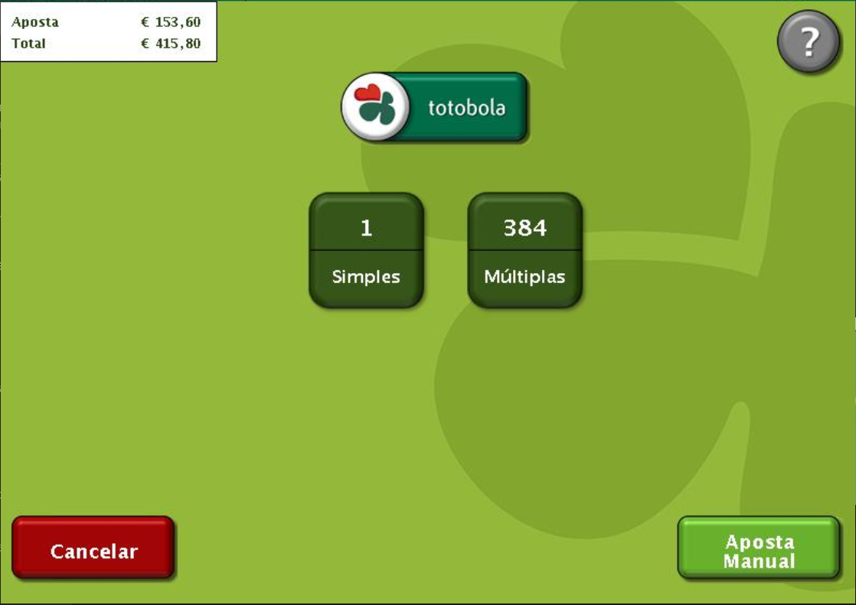
x0400 | Joker Ticket Text Revision present. |  |  | 2 bytes
x0200 | Quick Pick Flags By Board. |  |  | 2 bytes

x0100 | System Number present. |  |  | 2 bytes
x0080 | Participating in Joker 1.
x0040 | Participating in Joker 2.
x0020 | Joker 1 Required.
x0010 | Joker 2 Required.
x0008 | Bank Number present. |  |  | 4 bytes Bank No. + 4 byte Acc. No.
x0004 | Serial Number of Associated EM Wager present |  |  | 4 bytes (3 bytes + 1 byte check digits)
x0002 | Joker number present |  |  | 4 bytes
x0001 | Weighted QP table revision present |  |  | 4 bytes

System Type/Passive Bet Type:
All games except Passive:
0 = | Simple bet
1 = | Full system

Passive Games:
1= | Reservation
2= | Sale
3= | Release

System Number:
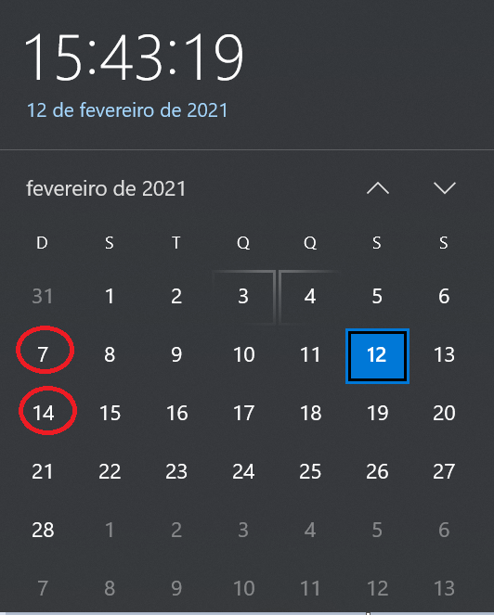
- For Totoloto games system number is system index:

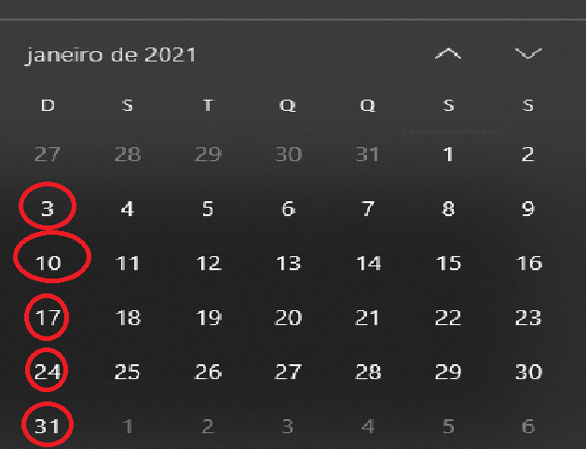
index 1 for 6 numbers |  | index 2 for 7 numbers |  | index 3 for 8 numbers
index 4 for 9 numbers |  | index 5 for 10 numbers |  | index 6 for 11 numbers
index 7 for 4 numbers

- For totobola and totogolo games system number is number of combinations.
- For Passive Games:

Game Type: | 16
Game Index: | 1 = Classica
2 = Popular
No of Boards: 0
Duration: 1

2.2 Wager Header Central -> Terminal

TestByte |  | Size | Field Contents
Start | End |  |  |  | Hexadecimal | Binario | Decimal
1 | 1 | 1 | Control | Sequence | 23 | Control=0010 Sequence=0011 | Control=2 Sequence=3 | Control -> x10 - Application Message Sequence ->3
2 | 2 | 1 | Type = 0 | Subtype = 0 | 00 | Type=0 SubType=0 | Type=0 SubType=0
3 | 4 | 2 | Checksum |  | 80 3A
5 | 5 | 1 | Game Type |  | 02 | 10 | 2 | 2 = SPORTS
6 | 6 | 1 | Game index |  | 01 | 1 | 1 | Totobola Normal
7 | 9 | 3 | Wager Serial Number |  | 9B 72 6C |  | 10187372 | 8 digitos
10 | 10 | 1 | Wager Check Digits |  | 8C |  | 140 | 3 digitos
11 | 12 | 2 | Offset to First CDC Date |  | 00 02 |  | 2 | dias que faltam para o draw
13 | 14 | 2 | Offset to Second CDC Date |  | 00 02 |  | 2 | dias que faltam para o draw
15 | 15 | 1 | First Week Draw Date |  | 07 |  | 7 | é o 7º sorteio deste ano
16 | 16 | 1 | First Year Draw Date |  | 15 |  | 21 | é o ano 2021
17 | 17 | 1 | Second Week Draw Date |  | 07 |  | 7 | é o 7º sorteio deste ano
18 | 18 | 1 | Second Year Draw Date |  | 15 |  | 21 | é o ano 2021
19 | 21 | 3 | Time (hh:mm:ss) |  | 0C 1B 35 |  | 12:27:53
22 | 22 | 1 | Option Flags (see below) |  | 00
23 | 23+n-1 | n | Option Data (see below)

